Sheet1
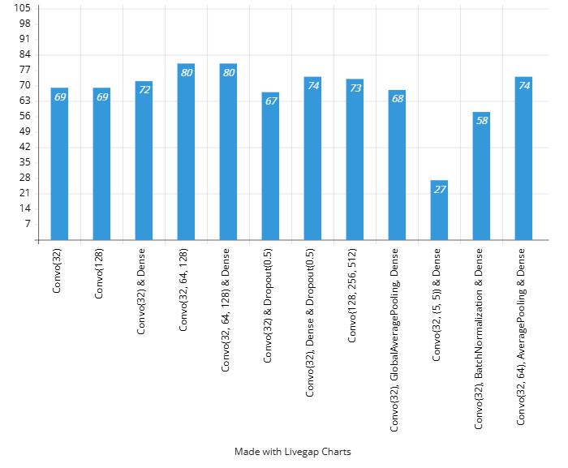
architecture | image_count | image_size | epochs | overfitted | accuracy
Convo(32) | 1000 | 128 | 50 | no | 69%
Convo(128) | 1000 | 128 | 50 | no | 69%
Convo(32) & Dense | 1000 | 128 | 50 | no | 72%
Convo(32, 64, 128) | 1000 | 128 | 50 | no | 80%
Convo(32, 64, 128) & Dense | 1000 | 128 | 50 | no | 81%
Convo(32) & Dropout(0.5) | 1000 | 128 | 50 | no | 67%
Convo(32), Dense & Dropout(0.5) | 1000 | 128 | 50 | no | 74%
Convo(128, 256, 512) | 1000 | 128 | 50 | no | 73%
Convo(32), GlobalAveragePooling, Dense | 1000 | 128 | 50 | no | 68%
Convo(32, (5, 5)) & Dense | 1000 | 128 | 50 | no | 27%
Convo(32), BatchNormalization & Dense | 1000 | 128 | 50 | yes | 58%
Convo(32, 64), AveragePooling & Dense | 1000 | 128 | 50 | no | 74%

